Sheet1
CREDIT CARD E-STATEMENTicici Bank
Ir 0- Credit Cards
Card Number : 5241 XXXX XXXX 9003 - KOMAL GUPTA |  |  |  |  | Amount(inZ)1
Date | Ref. Number | Transaction Details | Reward Currency Points | International amount
31/01/2018 | 7.5503728032E+22 | MAKEMYTRIP INDIA PVT L NEW DELHI IN | 41 |  | 2,027.00
31/01/2018 | 7.5120338032E+22 | CIT*AAMA ENTERPRISE DELHI IN | 2 |  | 122.00
8/2/2018 | 7.550372804E+22 | PAY*www.swiggy.com GURGAON IN |  |  | 2.20 CR
12/2/2018 | 1391914706 | INFINITY PAYMENT RECEIVED, THANK YOU |  |  | 11,726.90 CR

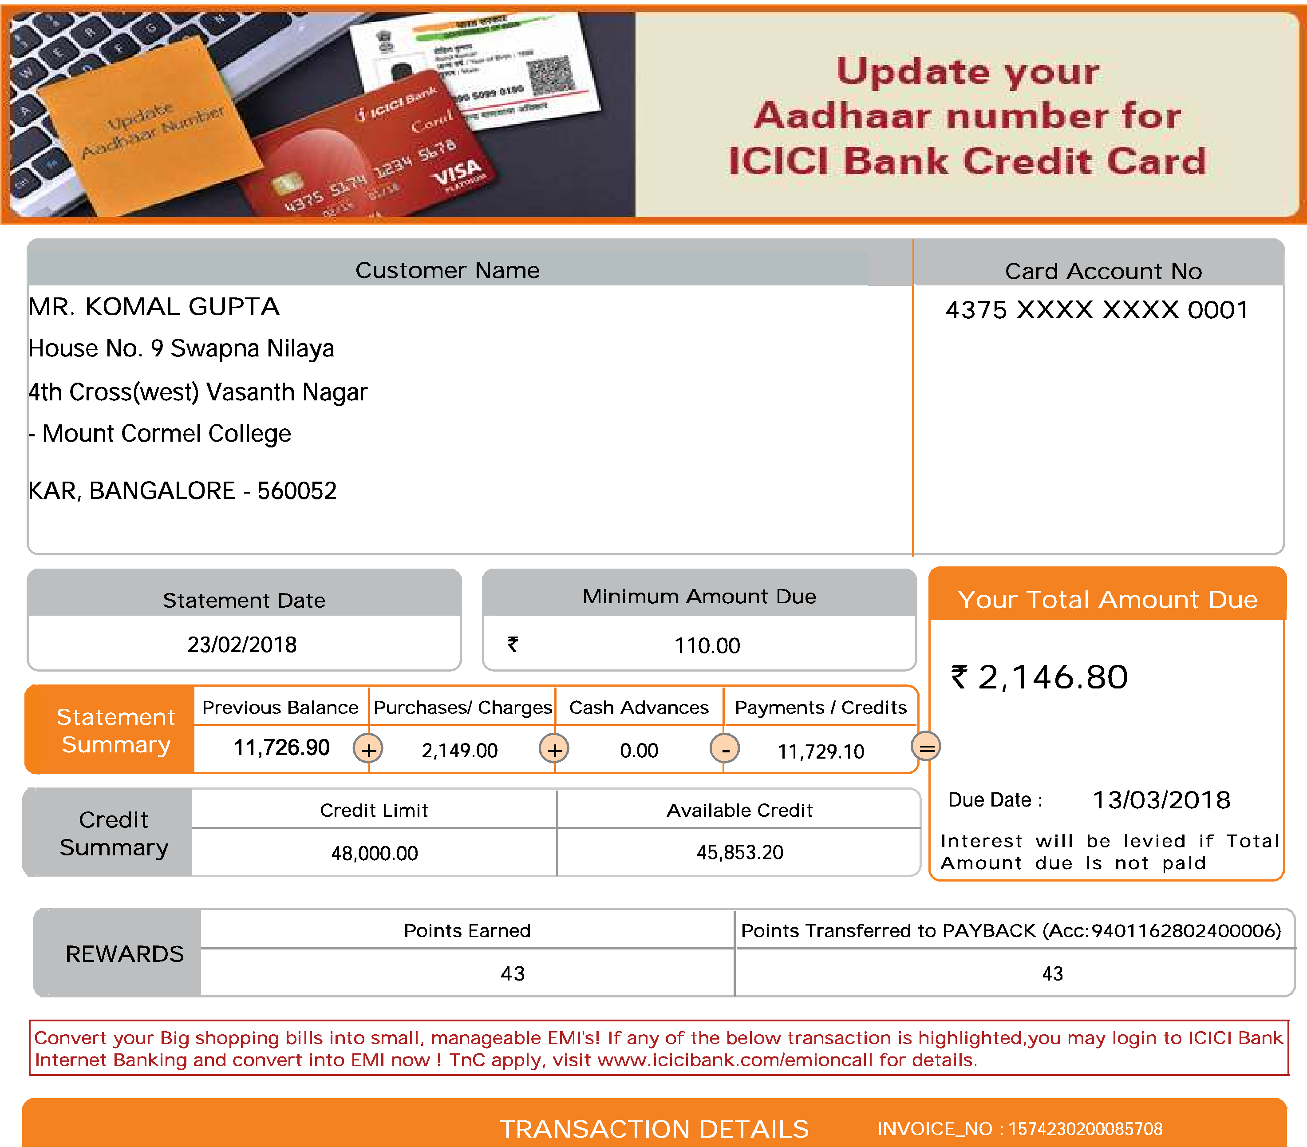

INVOICE_NO : 1574230200085708
TRANSACTION DETAILS
Available Credit
Credit Limit
45,853.20
48,000.00
Update your
Aadhaar number for
ICICI Bank Credit Card
Customer Name
MR. KOMAL GUPTA
House No. 9 Swapna Nilaya
4th Cross(west) Vasanth Nagar
- Mount Cormel College
KAR, BANGALORE - 560052
Card Account No
4375 XXXX XXXX 0001
0.00
11,729.10
11,726.90 Q 2,149.00
Your Total Amount Due
2,146.80
REWARDS I
Minimum Amount Due
Credit
Summary
Due Date : 13/03/2018
Interest will be levied if Total
Amount due is not paid
Statement
Summary
Previous Balance Purchases/ Charges Cash Advances I Payments / Credits
23/02/2018
=lament Date ANN
43
43
Points Earned
Points Transferred to PAYBACK (Acc:9401162802400006)
110.00
Convert your Big shopping bills into small, manageable EMI's! If any of the below transaction is highlighted,you may login to ICICI Bank
Internet Banking and convert into EMI now ! TnC apply, visit www.icicibank.com/emioncall for details.
CREDIT CARD E-STATEMENTBank
11°P Credit Cards
Great offers on your card
Bon Appetit | Bon Voyage | Entertainment | Gadgets & More

Enjoy minimum 15% | Enjoy deals and discounts | Get free tickets and | Enjoy deals and discounts
savings on your dining bills | on travel and hotel | discounts when you buy | on electronic gadgets
across 800 restaurants in | accommodation when you | movie show tickets with | when you buy with your
11 cities. | pay with your ICICI Bank | your ICICI Bank Credit | ICICI Bank Credit Card at
 | Credit Card on our partner websites. | Card. | our partner outlets.
Click here to know more | Click here to know more | Click here to know more | Click here to know more

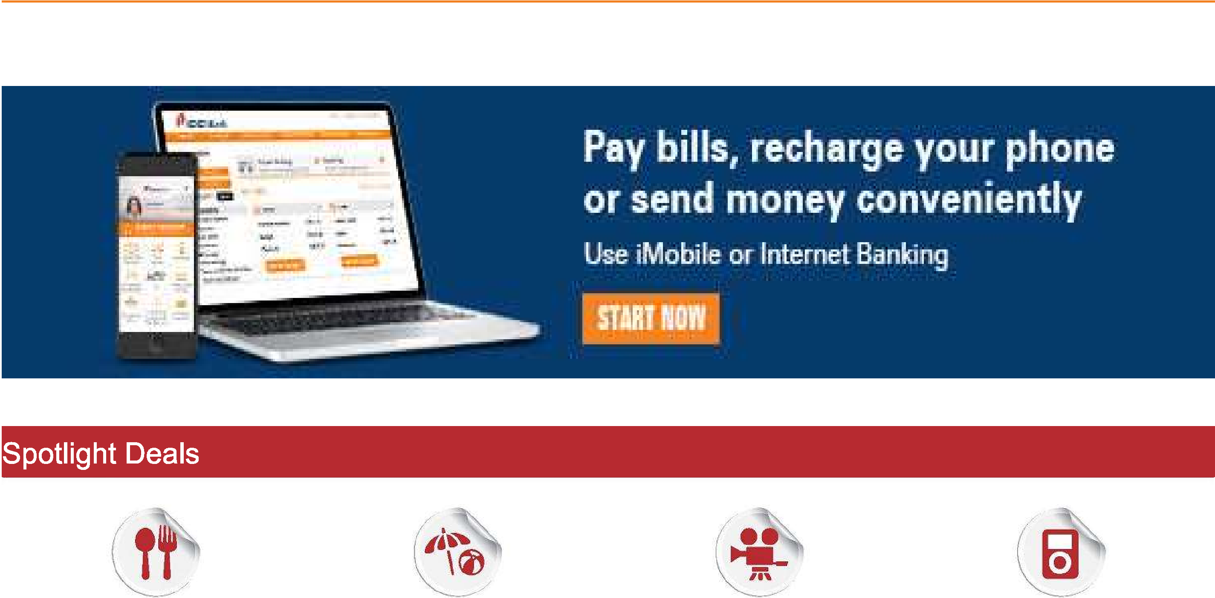

011'4
Spotlight Deals
Pay bills, recharge your phone
or send money conveniently
Use iMobile or Internet Banking
Get exciting offers on all days
of the week on travel,
groceries, dining and more.
KNOW MORE TO-C apply

 | Everyday Delights

Important Messages
c Safe Banking Tips - Do not transact if you find any suspicious device attached to the ATM. Do not take help from strangers at
an | ATM

(' ICICI Bank Credit Cards Goods and Services Tax Identification Number (GSTIN) is 27AAACI1195H3ZK
HSN Code for service: 9971 - Financial and related services
c Our registered office address : ICICI Bank Tower, Bandra Kurla Complex, MUMBAI, Mumbai Suburban, Maharashtra -
400051
Making only minimum payment every month can lead to repayment stretching over years with consequent interest payment
on outstanding balance
‘• Please pay your credit card outstanding before the payment due date to avoid penal fees and interest charges.
0 For payments made through cheque, we request you to make the payment atleast 3 working days before the due date incase
of an ICICI Bank cheque and 5 working days before the due date for Non-ICICI Bank cheques.
C For any clarification or more information, you may contact us through the 'Get in Touch' option at www.icicibank.com
For ICICI Bank Limited
Sudipta Roy
Head - Consumer Cards
The category of service:Credit Card,Charge Card or Other payment Card service.
GSTIN — 27AAAC11195H3ZK.PAN based STC No:AAACI1195HST001
REGISTERED OFFICE IS ICICI Bank Tower, Ground Floor, BKC Road , Bandra Kurla Complex, Mumbai Suburban Maharashtra - 400051 .
This is an authenticated intimation/statement.Customers are requested to immediately notify the Bank of any discrepancy in the statement

